FL Tide Gauge + SLR estimates
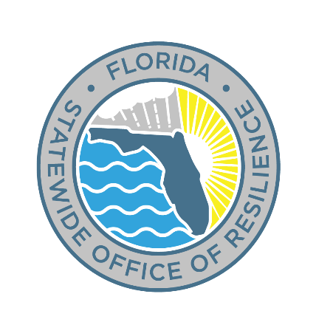

NOAA TIDE GAUGE STATION | DATUM | SEA LEVEL ELEVATIONS, 1983-2001 EPOCH (in FEET relative to NAVD88)
 |  | 1992 | 2000 | 2020 |  | 2030 |  | 2040* |  | 2050^ |  | 2060 |  | 2070** |  | 2080^^ |  | <== Reference Year
 |  |  |  | Int-Low | Int | Int-Low | Int | Int-Low | Int | Int-Low | Int | Int-Low | Int | Int-Low | Int | Int-Low | Int | <== NOAA 2022 SLR Scenario
8720030 Fernandina Beach, FL | MHHW | 2.74 | 2.83 | 3.16 | 3.17 | 3.36 | 3.39 | 3.57 | 3.64 | 3.79 | 3.93 | 4.01 | 4.26 | 4.23 | 4.66 | 4.46 | 5.13
 | MSL | -0.53 | -0.44 | -0.11 | -0.10 | 0.09 | 0.12 | 0.30 | 0.37 | 0.52 | 0.66 | 0.74 | 0.99 | 0.96 | 1.39 | 1.19 | 1.86
 | MLLW | -3.82 | -3.73 | -3.40 | -3.39 | -3.20 | -3.17 | -2.99 | -2.92 | -2.77 | -2.63 | -2.55 | -2.30 | -2.33 | -1.90 | -2.10 | -1.43
8720218 Mayport (Bar Pilots Dock), FL | MHHW | 1.96 | 2.05 | 2.38 | 2.39 | 2.58 | 2.61 | 2.79 | 2.86 | 3.01 | 3.15 | 3.23 | 3.48 | 3.45 | 3.88 | 3.68 | 4.35
 | MSL | -0.52 | -0.43 | -0.10 | -0.09 | 0.10 | 0.13 | 0.31 | 0.38 | 0.53 | 0.67 | 0.75 | 1.00 | 0.97 | 1.40 | 1.20 | 1.87
 | MLLW | -2.99 | -2.90 | -2.57 | -2.56 | -2.37 | -2.34 | -2.16 | -2.09 | -1.94 | -1.80 | -1.72 | -1.47 | -1.50 | -1.07 | -1.27 | -0.60
8720219 Dames Point, FL | MHHW | 1.42 | 1.51 | 1.84 | 1.85 | 2.04 | 2.07 | 2.25 | 2.32 | 2.47 | 2.61 | 2.69 | 2.94 | 2.91 | 3.34 | 3.14 | 3.81
 | MSL | -0.38 | -0.29 | 0.04 | 0.05 | 0.24 | 0.27 | 0.45 | 0.52 | 0.67 | 0.81 | 0.89 | 1.14 | 1.11 | 1.54 | 1.34 | 2.01
 | MLLW | -2.24 | -2.15 | -1.82 | -1.81 | -1.62 | -1.59 | -1.41 | -1.34 | -1.19 | -1.05 | -0.97 | -0.72 | -0.75 | -0.32 | -0.52 | 0.15
8720226 Southbank Riverwalk, St Johns River, FL | MHHW | 0.65 | 0.74 | 1.07 | 1.08 | 1.27 | 1.30 | 1.48 | 1.55 | 1.70 | 1.84 | 1.92 | 2.17 | 2.14 | 2.57 | 2.37 | 3.04
 | MSL | -0.24 | -0.15 | 0.18 | 0.19 | 0.38 | 0.41 | 0.59 | 0.66 | 0.81 | 0.95 | 1.03 | 1.28 | 1.25 | 1.68 | 1.48 | 2.15
 | MLLW | -1.30 | -1.21 | -0.88 | -0.87 | -0.68 | -0.65 | -0.47 | -0.40 | -0.25 | -0.11 | -0.03 | 0.22 | 0.19 | 0.62 | 0.42 | 1.09
8720357 I-295 Buckman Bridge, FL | MHHW | 0.39 | 0.48 | 0.81 | 0.82 | 1.01 | 1.04 | 1.22 | 1.29 | 1.44 | 1.58 | 1.66 | 1.91 | 1.88 | 2.31 | 2.11 | 2.78
 | MSL | -0.11 | -0.02 | 0.31 | 0.32 | 0.51 | 0.54 | 0.72 | 0.79 | 0.94 | 1.08 | 1.16 | 1.41 | 1.38 | 1.81 | 1.61 | 2.28
 | MLLW | -0.62 | -0.53 | -0.20 | -0.19 | 0.00 | 0.03 | 0.21 | 0.28 | 0.43 | 0.57 | 0.65 | 0.90 | 0.87 | 1.30 | 1.10 | 1.77
8721604 Trident Pier, Port Canaveral, FL | MHHW | 1.10 | 1.19 | 1.52 | 1.53 | 1.72 | 1.75 | 1.93 | 2.00 | 2.15 | 2.29 | 2.37 | 2.62 | 2.59 | 3.02 | 2.82 | 3.49
 | MSL | -0.95 | -0.86 | -0.53 | -0.52 | -0.33 | -0.30 | -0.12 | -0.05 | 0.10 | 0.24 | 0.32 | 0.57 | 0.54 | 0.97 | 0.77 | 1.44
 | MLLW | -2.83 | -2.74 | -2.41 | -2.40 | -2.21 | -2.18 | -2.00 | -1.93 | -1.78 | -1.64 | -1.56 | -1.31 | -1.34 | -0.91 | -1.11 | -0.44
8722670 Lake Worth Pier, Atlantic Ocean, FL | MHHW | 0.55 | 0.64 | 0.97 | 0.98 | 1.17 | 1.20 | 1.38 | 1.45 | 1.60 | 1.74 | 1.82 | 2.07 | 2.04 | 2.47 | 2.27 | 2.94
 | MSL | -0.97 | -0.88 | -0.55 | -0.54 | -0.35 | -0.32 | -0.14 | -0.07 | 0.08 | 0.22 | 0.30 | 0.55 | 0.52 | 0.95 | 0.75 | 1.42
 | MLLW | -2.51 | -2.42 | -2.09 | -2.08 | -1.89 | -1.86 | -1.68 | -1.61 | -1.46 | -1.32 | -1.24 | -0.99 | -1.02 | -0.59 | -0.79 | -0.12
8722956 South Port Everglades, FL | MHHW | 0.57 | 0.66 | 0.99 | 1.00 | 1.19 | 1.22 | 1.40 | 1.47 | 1.62 | 1.76 | 1.84 | 2.09 | 2.06 | 2.49 | 2.29 | 2.96
 | MSL | -0.80 | -0.71 | -0.38 | -0.37 | -0.18 | -0.15 | 0.03 | 0.10 | 0.25 | 0.39 | 0.47 | 0.72 | 0.69 | 1.12 | 0.92 | 1.59
 | MLLW | -2.21 | -2.12 | -1.79 | -1.78 | -1.59 | -1.56 | -1.38 | -1.31 | -1.16 | -1.02 | -0.94 | -0.69 | -0.72 | -0.29 | -0.49 | 0.18
8723214 Virginia Key, FL | MHHW | 0.23 | 0.32 | 0.65 | 0.66 | 0.85 | 0.88 | 1.06 | 1.13 | 1.28 | 1.42 | 1.50 | 1.75 | 1.72 | 2.15 | 1.95 | 2.62
 | MSL | -0.89 | -0.80 | -0.47 | -0.46 | -0.27 | -0.24 | -0.06 | 0.01 | 0.16 | 0.30 | 0.38 | 0.63 | 0.60 | 1.03 | 0.83 | 1.50
 | MLLW | -2.02 | -1.93 | -1.60 | -1.59 | -1.40 | -1.37 | -1.19 | -1.12 | -0.97 | -0.83 | -0.75 | -0.50 | -0.53 | -0.10 | -0.30 | 0.37
8723970 Vaca Key, Florida Bay, FL | MHHW | -0.36 | -0.27 | 0.06 | 0.07 | 0.26 | 0.29 | 0.47 | 0.54 | 0.69 | 0.83 | 0.91 | 1.16 | 1.13 | 1.56 | 1.36 | 2.03
 | MSL | -0.83 | -0.74 | -0.41 | -0.40 | -0.21 | -0.18 | 0.00 | 0.07 | 0.22 | 0.36 | 0.44 | 0.69 | 0.66 | 1.09 | 0.89 | 1.56
 | MLLW | -1.34 | -1.25 | -0.92 | -0.91 | -0.72 | -0.69 | -0.51 | -0.44 | -0.29 | -0.15 | -0.07 | 0.18 | 0.15 | 0.58 | 0.38 | 1.05
8724580 Key West, FL | MHHW | 0.05 | 0.14 | 0.47 | 0.48 | 0.67 | 0.70 | 0.88 | 0.95 | 1.10 | 1.24 | 1.32 | 1.57 | 1.54 | 1.97 | 1.77 | 2.44
 | MSL | -0.87 | -0.78 | -0.45 | -0.44 | -0.25 | -0.22 | -0.04 | 0.03 | 0.18 | 0.32 | 0.40 | 0.65 | 0.62 | 1.05 | 0.85 | 1.52
 | MLLW | -1.76 | -1.67 | -1.34 | -1.33 | -1.14 | -1.11 | -0.93 | -0.86 | -0.71 | -0.57 | -0.49 | -0.24 | -0.27 | 0.16 | -0.04 | 0.63
8725114 Naples Bay, North, FL | MHHW | 0.69 | 0.78 | 1.11 | 1.12 | 1.31 | 1.34 | 1.52 | 1.59 | 1.74 | 1.88 | 1.96 | 2.21 | 2.18 | 2.61 | 2.41 | 3.08
 | MSL | -0.50 | -0.41 | -0.08 | -0.07 | 0.12 | 0.15 | 0.33 | 0.40 | 0.55 | 0.69 | 0.77 | 1.02 | 0.99 | 1.42 | 1.22 | 1.89
 | MLLW | -2.07 | -1.98 | -1.65 | -1.64 | -1.45 | -1.42 | -1.24 | -1.17 | -1.02 | -0.88 | -0.80 | -0.55 | -0.58 | -0.15 | -0.35 | 0.32
8725520 Fort Myers, FL | MHHW | 0.28 | 0.37 | 0.70 | 0.71 | 0.90 | 0.93 | 1.11 | 1.18 | 1.33 | 1.47 | 1.55 | 1.80 | 1.77 | 2.20 | 2.00 | 2.67
 | MSL | -0.41 | -0.32 | 0.01 | 0.02 | 0.21 | 0.24 | 0.42 | 0.49 | 0.64 | 0.78 | 0.86 | 1.11 | 1.08 | 1.51 | 1.31 | 1.98
 | MLLW | -1.04 | -0.95 | -0.62 | -0.61 | -0.42 | -0.39 | -0.21 | -0.14 | 0.01 | 0.15 | 0.23 | 0.48 | 0.45 | 0.88 | 0.68 | 1.35
8726384 Port Manatee, FL | MHHW | 0.58 | 0.67 | 1.00 | 1.01 | 1.20 | 1.23 | 1.41 | 1.48 | 1.63 | 1.77 | 1.85 | 2.10 | 2.07 | 2.50 | 2.30 | 2.97
 | MSL | -0.43 | -0.34 | -0.01 | 0.00 | 0.19 | 0.22 | 0.40 | 0.47 | 0.62 | 0.76 | 0.84 | 1.09 | 1.06 | 1.49 | 1.29 | 1.96
 | MLLW | -1.59 | -1.50 | -1.17 | -1.16 | -0.97 | -0.94 | -0.76 | -0.69 | -0.54 | -0.40 | -0.32 | -0.07 | -0.10 | 0.33 | 0.13 | 0.80
8726520 St. Petersburg, FL | MHHW | 0.78 | 0.87 | 1.20 | 1.21 | 1.40 | 1.43 | 1.61 | 1.68 | 1.83 | 1.97 | 2.05 | 2.30 | 2.27 | 2.70 | 2.50 | 3.17
 | MSL | -0.28 | -0.19 | 0.14 | 0.15 | 0.34 | 0.37 | 0.55 | 0.62 | 0.77 | 0.91 | 0.99 | 1.24 | 1.21 | 1.64 | 1.44 | 2.11
 | MLLW | -1.48 | -1.39 | -1.06 | -1.05 | -0.86 | -0.83 | -0.65 | -0.58 | -0.43 | -0.29 | -0.21 | 0.04 | 0.01 | 0.44 | 0.24 | 0.91
8726607 Old Port Tampa, FL | MHHW | 0.79 | 0.88 | 1.21 | 1.22 | 1.41 | 1.44 | 1.62 | 1.69 | 1.84 | 1.98 | 2.06 | 2.31 | 2.28 | 2.71 | 2.51 | 3.18
 | MSL | -0.39 | -0.30 | 0.03 | 0.04 | 0.23 | 0.26 | 0.44 | 0.51 | 0.66 | 0.80 | 0.88 | 1.13 | 1.10 | 1.53 | 1.33 | 2.00
 | MLLW | -1.69 | -1.60 | -1.27 | -1.26 | -1.07 | -1.04 | -0.86 | -0.79 | -0.64 | -0.50 | -0.42 | -0.17 | -0.20 | 0.23 | 0.03 | 0.70
8726674 East Bay, FL | MHHW | 0.86 | 0.95 | 1.28 | 1.29 | 1.48 | 1.51 | 1.69 | 1.76 | 1.91 | 2.05 | 2.13 | 2.38 | 2.35 | 2.78 | 2.58 | 3.25
 | MSL | -0.36 | -0.27 | 0.06 | 0.07 | 0.26 | 0.29 | 0.47 | 0.54 | 0.69 | 0.83 | 0.91 | 1.16 | 1.13 | 1.56 | 1.36 | 2.03
 | MLLW | -1.82 | -1.73 | -1.40 | -1.39 | -1.20 | -1.17 | -0.99 | -0.92 | -0.77 | -0.63 | -0.55 | -0.30 | -0.33 | 0.10 | -0.10 | 0.57
8726724 Clearwater Beach, FL | MHHW | 0.95 | 1.04 | 1.37 | 1.38 | 1.57 | 1.60 | 1.78 | 1.85 | 2.00 | 2.14 | 2.22 | 2.47 | 2.44 | 2.87 | 2.67 | 3.34
...

Metadata
Datum Definitions |  | MHHW | The average of the higher high water height of each tidal day observed over the National Tidal Datum Epoch. For stations with shorter series, comparison of simultaneous observations with a control tide station is made in order to derive the equivalent datum of the National Tidal Datum Epoch.
 |  | Mean Higher-High Water
 |  | MSL | The arithmetic mean of hourly heights observed over the National Tidal Datum Epoch. Shorter series are specified in the name; e.g. monthly mean sea level and yearly mean sea level.
 |  | Mean Sea Level
 |  | MLLW | The average of the lower low water height of each tidal day observed over the National Tidal Datum Epoch. For stations with shorter series, comparison of simultaneous observations with a control tide station is made in order to derive the equivalent datum of the National Tidal Datum Epoch.
 |  | Mean Lower-Low Water
 |  | NAVD88 | North American Vertical Datum of 1988

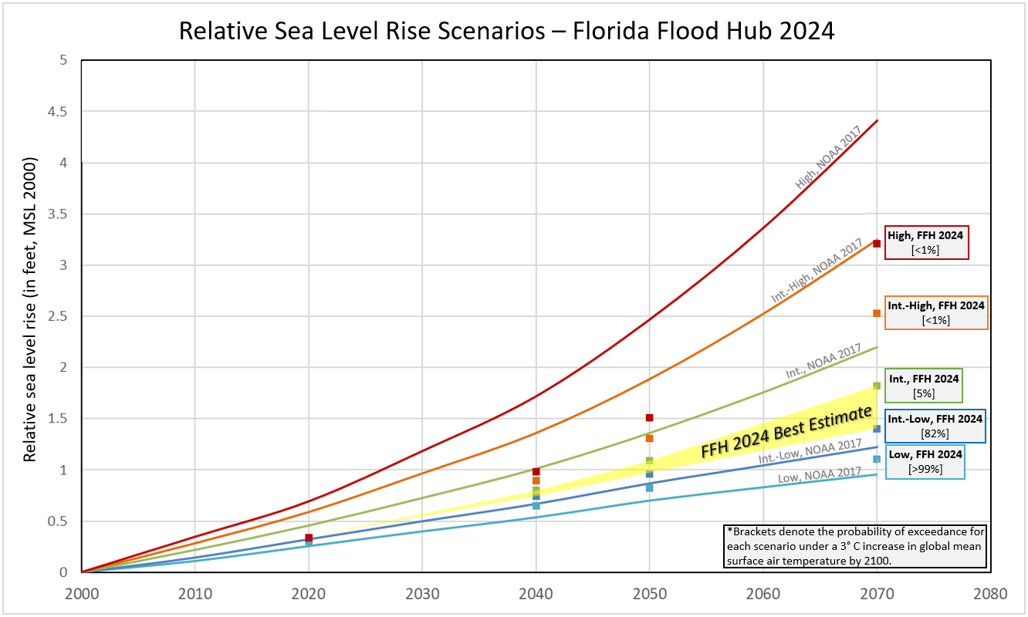
 |  |  |  | Mean change in sea levels around Florida for three time horizons.
 |  |  |  | Mean change in sea levels around Florida for three time horizons. | Time horizon

 |  |  |  |  | 2000–2040
 |  |  |  | Low | 198 mm / 7.8 in
 |  |  |  | Intermediate Low | 227 mm / 8.9 in
 |  |  |  | Intermediate | 245 mm / 9.6 in
 |  |  |  | Intermediate High | 272 mm / 10.7 in
 |  |  |  | High | 298 mm / 11.7 in

 |  |  |  | The Florida Flood Hub 2024 Best Estimate for relative sea level rise includes the range between the Intermediate Low and Intermediate values, as highlighted in the accompanying graph and table.
 |  |  |  | These best estimates were added to NOAA tide gauge elevations to derive future projections of relative sea level rise estimates at each tide gauge.
 |  |  |  | *For the purposes of this dataset, relative sea level rise around Florida between 1992-2000 is estimated at approximately 1.1 inches [20mm of global mean sea level rise + 8mm of vertical land motion (subsidence) of the Florida plateau].

Sea level rise scenarios for Florida
The Florida Flood Hub estimated future increases in sea level along Florida’s coast.
 | These estimates were derived from data assembled for a 2022 federal report (https://oceanservice.noaa.gov/hazards/sealevelrise/noaa-nos-techrpt01-global-regional-SLR-scenarios-US.pdf).
The relevant data were outputs from global models filtered to create a framework of five scenarios for higher sea levels distinguished by the estimated change in global mean sea level at 2100.
 | The five scenarios and related increases in global mean sea level are: Low 28–32 cm, Intermediate Low 48–52 cm, Intermediate 98–102 cm, Intermediate High 145–155 cm, and High 195–205 cm.
 | In the 2022 federal report, Florida’s east coast was in the Southeast region, and Florida’s west coast was in the Eastern Gulf region.
...

